Invoice
Quote |  |  | 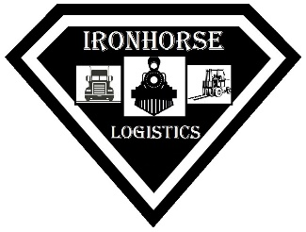
Date - 02/15/2024 |  | Rate Type: Labor - Equipment - Landfill Cost | $5,480.00
Quote # - 10517 |  | Location: Gainesville, GA
 |  |  |  | Dustin Brown
Ironhorse Logistics Group, Inc. |  | Job Description: | Archer Daniels Midland Company
7421 Douglas Blvd. Suite N, #408 |  | Air mover work remove approximatley 10,000 pounds of soy powder from overloaded rail car and dispose
Douglasville, GA 30135
(833) 444-6773
derrek@ironhorse-logistics.com

QUANTITY | UNITS | DETAILS | UNIT PRICE | LINE TOTAL
On site work | 10 | Jobtime (labor) used once onsite | $400.00 | 4,000.00
 |  | Includes Air Mover & Hose + Wash Out when done

Waste dispsoal | 5 | Cost per ton to dispose at the landfill | $125.00 | $625.00
 |  | Product can only be taken to an approved landfill
 |  | Required Lined Landfill must be approved first

 |  |  | Sub Total | 4,625.00
 |  | Payment terms: Due upon receipt | Energy SC 18.5% | $855.00
 |  | Quote is valid for 14 days from date stated above | Net Total | $5,480.00
 |  | Thank you for your business! | Discount
 |  |  | TOTAL | $5,480.00

Company Setup
INVOICE
COMPANY SETUP
YOUR COMPANY FACTS | VALUE
Your Name
Company Name
Address Line 1
Address Line 2
Address Line 3
Address Line 4
Address Line 5
Phone
Facsimile
Website
Email
Currency Abbreviation
Name of Beneficiary for Bank Wire
Name of Bank
Address of Bank
Account Number
Routing Number (SWIFT Code)
Make Checks Payable To

